Example
SAMPLE RECEIPT TO ACCOMPANY POST TRAVELREIMBURSEMENT FORM

Directions:
Please number each receipt as it corresponds to the line item on the post travel reimbursement form.
Please make sure the numbers are legible.

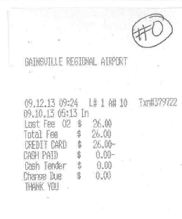
Line number on the Post- Travel Reimbursment Form

If paid in cash, traveler must sign receipt

Notes:
*Tape receipts smaller than 8 ½ x 11 to a sheet of blank paper
*If both business and personal expenses are on the receipt, strikethough the personal items with an ink pen.
*For reimbursements to be charged to multiple accounts, please indicate the accounts to be charged and amount to be charged to each account

Please submit to Ashley Condell at acondell@phhp.ufl.edu

