Choose Employee
Choose Employee
 |  | Drop Down lists are not formlas, these are Data Validations, from the Data tab in the ribbon.
Do they like cake? | Yes
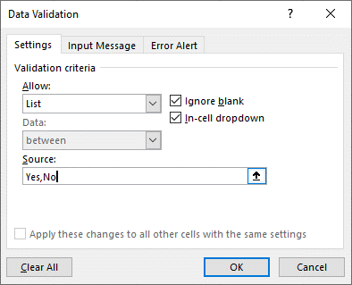
Employee: | Daisy Duck
Title: | Quartermaster

Remember use the Function button F3 to see the list of names. "Find Me/F3"

=VLOOKUP(B5,Data,3,FALSE)

